CRM_Marketing
Sales Target
SL | Menu | Event | Story | Dependancy
 | Sales Target | New Target | Company Wise Data Save
 |  |  | Buying Agent Merchant will come auto in drop down | Through the buyer settings
 |  |  | Buying Agent will come in drop down against the selected "Unit" | Through the "Buying Agent" settings
 |  |  | Select Month no need | Validation
 |  |  | Create popup | You are creating sales Target & Month Do you want to proceed? Then Press "YES" & "NO" Button
 |  |  | Buyer* (Dropdpwn from Style), Brand (Dropdpwn form Master) Buying Agent (Dropdpwn form Master) Buying Agent Merchant (Dropdpwn form Master) Team Leader* (Dropdpwn form Master) Season* (Dropdpwn form Master) Year * (Hardcoded Dropdpwn) Month Wise Target Details Target Quantity (Pcs) - (Float) Target Value - (Float) Target Quantity (Pcs) - Sum of Target Quantity (Basic, Casual Basic, Fashion) Target Value - Sum of Target Value (Basic, Casual Basic, Fashion)
 |  |  | Month wise validation
 |  | List View | Reference, Buyer, Season, Brand Name, Buying Agent, Team Leader, Basic, Casual Basic, Fashion Total (arget Quantity (Pcs), Target Value, Achieve Quantity, Achieve Value), Month, Year, Approval Status, Actions
 |  |  | 3 Colum (Basic, Casual Basic, Fasion) and sub total | List wise Total
 |  |  | In edit mood the user only edit new row, the previous saved data can not be changed | After Confirmation, the month row will be locked, the user can put data on other month row.
 |  |  | Need new column "Confirm Qty" & "Confirm Value"
 |  | View Page | Basic Information Unit Year Buyer Season Brand Buying Agent Team Leader Date Sales Target Details SL Month Basic (Target Quantity (Pcs), Target Value, Achieve Quantity, Achieve Value, Achieve Percentage) Casual Basic (Target Quantity (Pcs), Target Value, Achieve Quantity, Achieve Value, Achieve Percentage) Fashion (Target Quantity (Pcs), Target Value, Achieve Quantity, Achieve Value, Achieve Percentage) Total (Total Quantity, Total Value, Achieve Quantity, Achieve Value, Achieve Percentage) Currency
Quotation Inquiry
SL | Menu | Event | Story | Dependancy
 | Quotation Inquiry | Add New (Button) | Company Wise Data Save
 |  |  | After select the "Style ID" these fields will come auto from previous data. (Buyer, Garments Item Group)
 |  |  | Style ID will show in dropdown against the selected Company
 |  |  | Style ID * (Dropdpwn form Master) Style Description (Text) Buyer * (From Buyer) Garments Item Group * (From Buyer) Garments Item * (Dropdpwn form Master - Multiple Selection) Brand (Dropdpwn form Master) Year (Hardcoded Dropdpwn) Season * (Dropdpwn form Master) Team Leader (Dropdown form Library) Dealing Merchant (Dropdown - Team Leader wise) Inquiry Date * (Calender) Quotation Submission Date * (Calender) Tentative Shipment Date (Calender) Offer Qty * (Integer) Order UOM * (Hardcoded Dropdown - Pcs, Set and Pack) Costing Per (Hardcoded Dropdown - 1 Pcs, 1 Dzn, 2 Dzn, 3 Dzn, 4 Dzn, 1 Pack, 1 Set) Item Department (Hardcoded Dropdown - KIds, Ladies, Mens, Boys, and Girls) Required Sample (Hardcoded Dropdown - Yes, No) Remarks (Text) FIle Upload option needed.
 |  |  | Style Description will be writable field
 |  |  | We can select multiple "Garments Item"
 |  |  | Season will come auto against the BUyer
 |  |  | New field "Garment Item Group" (Basic, Casual Basic, Fashion)
 |  |  | User wise validation, the user will get only selected buyer list in dropdown | buyer assign
 |  |  | Quoted by (Autometic show the user name who Currently working in this form)
 |  |  | Need to notify if image is uploaded or not, also need option to delete the image which is uploaded
 |  |  | New table for Fabric Details Fabric Composition * (Dropdpwn form Master) Fabric Type * (Auto fill up form Fabric Composition) GSM/OZ (Integer) Dia (Integer) Dia Type (Dropdpwn form Master) UOM (Dropdpwn form Master) Rate (Float) Action (Add line)
 |  |  | New table for Yarn Details Fabric Composition * (Auto fill up form Fabric Details Table data) Yarn Composition * (Dropdpwn form Master) Yarn Count * (Dropdpwn form Master) Yarn Type * (Dropdpwn form Master) Certification (Dropdpwn form Master) Action (Add line)
 |  | 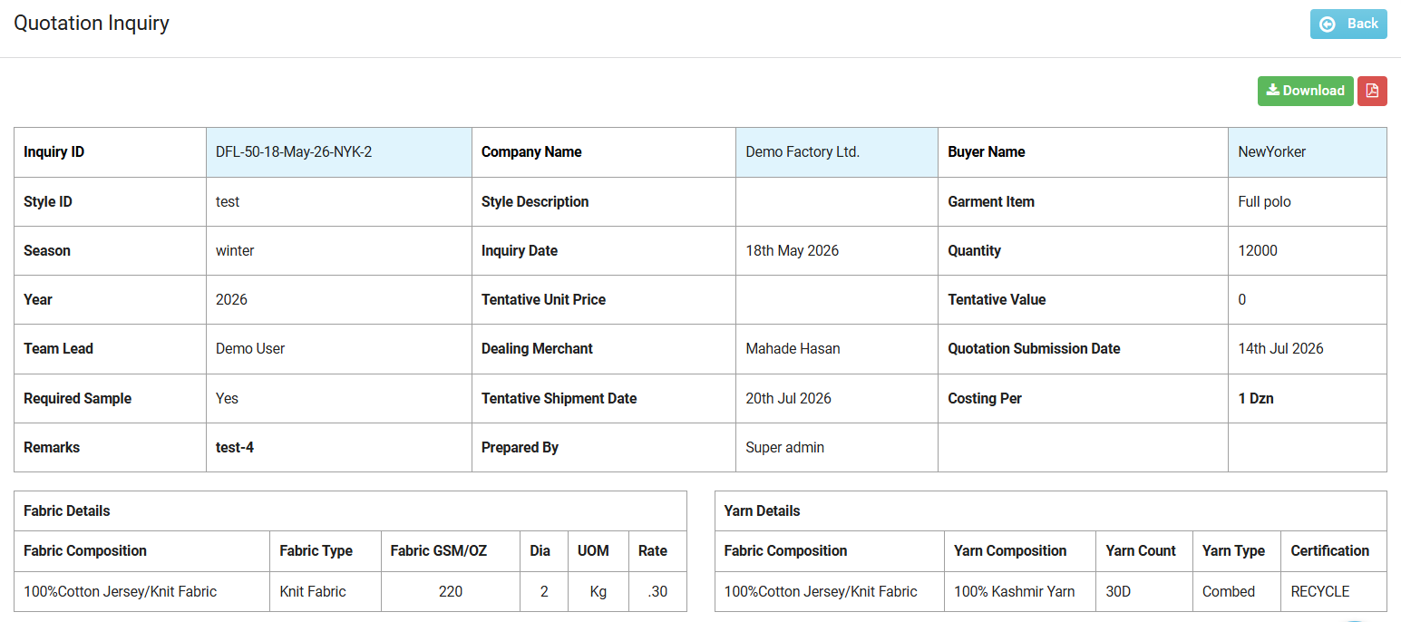 View Page
 |  |  | Need to show the Image which is uploaded. | Reference Mock up added
 |  |  | Need PDF and Excel Download option
 |  | List Page | Reference, Buyer, Style, Garments Item, Garments Item Group, Brand, Season, Fabric Type, Fabric Composition, GSM, Dia, Offer Qty, Order UOM, Inquiry Date, Tentative Shipment Date, Year, Approval Status
 |  |  | Iquiry ID format | TD-001-2023-Aug-07-IN
 |  |  | TD = Buyer short form, -001- = Buyer wise Inquery Number count, 2023-Aug-07- Default date of inquiry
 |  | Approval | Approval is needed in Quotation Inquiry

Library Work
 | Brand Library |  | Brand Entry | New Master

Price Quotation
SL | Menu | Event | Story | Dependancy
 | Price Quotation | Add New (Button) | Company Wise Data Save
 |  |  | By selecting the "Style ID" or "Inquiry ID" these fields will come auto from previous data. (Buyer, Garment Item Group, Brand Name, Style, Style Description, Season, Offer Quantity, UOM)
 |  |  | "Group" name will be changed to "Garments Item Group", "Garments Item Group" and "Brand" will come from Inquiry ID | ``
 |  |  | Get data will be against "Inquiry ID and Style ID"
 |  |  | Price quotation Rference format can be | PN-001-19-Aug-23-TY-001
 |  |  | When we pull data from Inquiry ID by searching, the person will not able to change those data
 |  |  | "Shipment Date" should be mandatory
 |  |  | Image will come from Inquiry ID, if there is no inquiry against this style then we will upload image
 |  | 1st Tab (Required Info) | Inquiry Id (Dropdown), Style* (Dropdown), Buyer* (From Inquiry ID), Garments Category (Dropdpwn form Master) Brand Name (From Inquiry ID or Dropdpwn form Master), Style Description (From Inquiry ID or Dropdpwn form Master), Garments Item Group (From Inquiry ID or Dropdpwn form Master), Garment Department (Dropdpwn form Master), Season (From Inquiry ID or Dropdpwn form Master), Offer Quantity* (From Inquiry ID & Open - Integer), UOM* (From Inquiry ID & Open - Hardcoded Dropdown - Pcs, Set and Pack), Costing Per* (Hardcoded Dropdown - 1 Pcs, 1 Dzn, 2 Dzn, 3 Dzn, 4 Dzn, 1 Pack, 1 Set), Incoterm* (Hardcoded Dropdown - FOB, CFR, CIF, FCA, CPT, EXW, FAS, DAF. DES, DEQ, DDP, TT, CTG & Auto show FOB by default), Team Leader (Dropdown from Master), Dealing Merchant (Dropdown - Team Leader wise) Estimate Shipment Date, (Calender) Size Group* (Text & suggested last Entry), MC/Line* (Integer), Production/Line/Hour* (Integer), Sewing Eficienecy% (Float), Cutting Efficiency% (Float), Finishing efficiency% Float), QC Efficiency % (Float), Preparation Efficiency % (Float), Yarn Certification (Dropdpwn form Master) Size Grading % (Float), # Garments Item (Dropdpwn form Master), Set Item Ratio (Integer), Cutting SMV (From Operation Bulletin Item wise & Float), Sewing SMV (From Operation Bulletin Item wise & Float), Finishing SMV (From Operation Bulletin Item wise &Float), SMV (Auto Calculated = Total Cutting + Sewing + Finishing SMV), Add a Line Action (Edit & Delete) # Image Upload (From Inquiry ID) File Upload Multiple (PDF & Excel) | If SMV doesn't input in Operation Bulletin SMV Format item-wise, SMV will be 1 # If No - Data inputted manually, SMV by default 1 # SMV will be Merged for Multiple Items. # There should be an option for Save & Draft Save. If click Draft it saves those data & takes me list page - No validation with Mandatory Field. # Buyer, Garment Item Group, Brand Name, Style, Style Description, Season, Offer Quantity, UOM- Can't be changed if data is pulled from Inquiry ID.
 |  | 2nd Tab (Others Info) | Country (Dropdpwn form Master), Buying Agent (Dropdpwn form Master), Buying House Merchant (Dropdpwn form Master), Currency (Dropdpwn form Master & Auto show USD by default), Color Range (Dropdpwn form Master), Sustainable Material* (Hardcoded Dropdown - GOTS, OCS, RCS/GRS, OEKOTEX, BCI, CONVENTIONAL, COMBINED (OCS & RCS/GRS), COMBINED (GOTS & RCS/GRS), COMBINED (BCI & OCS/GRS/RCS), Garments Certification (Dropdown - From Certification Master), Embellishment Type (Dropdpwn form Master), Embellishment Name Dropdpwn form Master), Confirm Date (Calender) Quotation Date (Calender), Order Placement Date (Calender), Embellishment Note (Text), Incoterm Place (Text), Exchange Rate (Float), Pcs/ cartoon(Text), CBM/Cartoon(Text), Remarks (Text) | There should be an option for Save & Draft Save. # There should be an option for Save & Draft Save. If you click Draft it saves those data & takes me to the list page - No validation with Mandatory Field. # If Select Inquiry ID - then Style will auto-come & can't change
 |  | 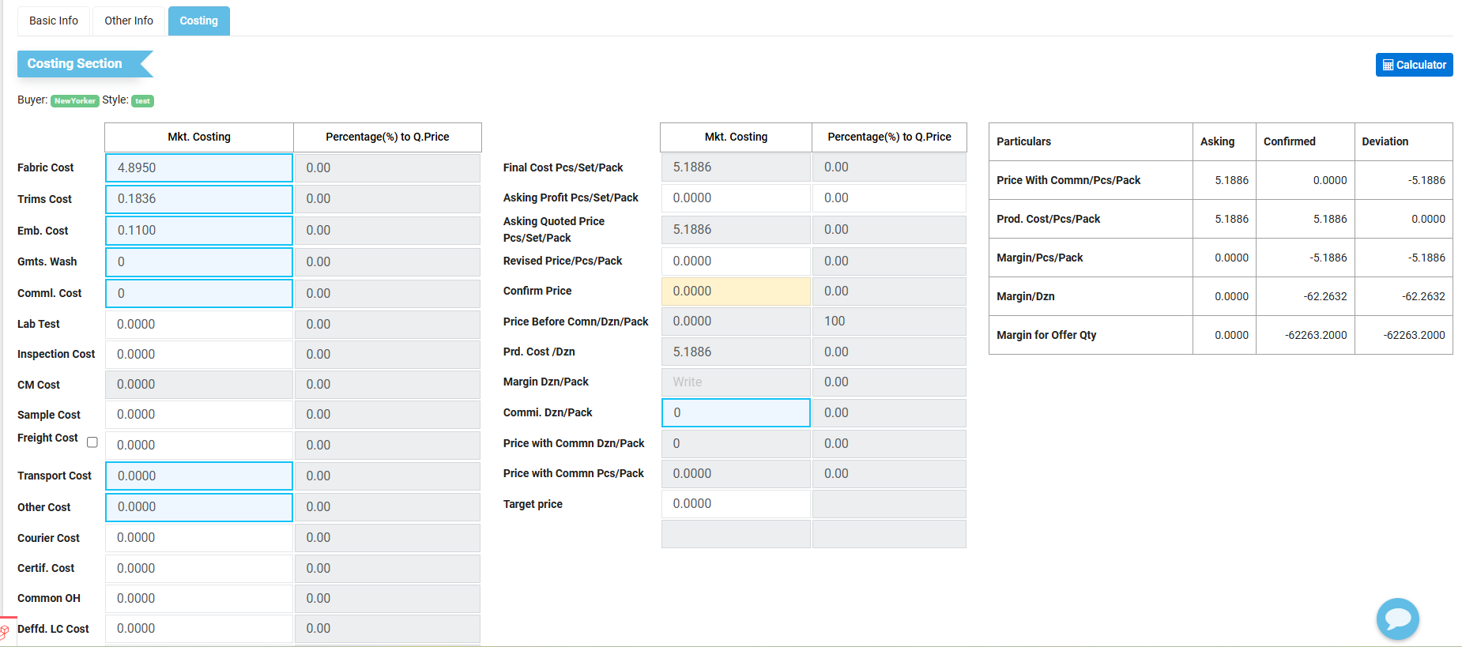 3rd Tab (Costing)
 |  | List of all Costs- | List - Fabric Cost (Browse Option) Trims Cost (Browse Option) Emb. Cost (Browse Option) Gmts. Wash (Browse Option) Comml. Cost (Browse Option) Lab Test (Float) Inspection Cost (Float) CM Cost (Float) Sample Cost (Float) Freight Cost (Float) Transport Cost (Browse Option) Other Cost (Browse Option) Courier Cost (Float) Certif. Cost (Float) Common OH (Float) Deffd. LC Cost (Float) Design Cost (Float) Studio Cost (Float) Opert. Exp. (Float) Income Tax (Float) Total Cost - Sum of All cost of above.
 |  | Fabric Cost | Fabric Cost- Have a Template saving option. Gmt. Item (Dropdpwn form Master) Body Part * (Dropdpwn form Master) Body Part Type (Text) Color Range * (Dropdpwn form Master) Color Nature (Dropdpwn form Master) Fabric Composition * (Dropdpwn form Master) Fabric Type * (Auto fill up according to Fabric Composition) Fabric Nature (Auto fill up according to Fabric Composition) Code (Integer) Source * (Hardcoded Dropdown - Production, Purchase, Buyer Supplier and Stock) Supplier (Dropdpwn form Master) Gsm/Oz * (Integer) Dia Type (Dropdpwn form Master) Consumption Basis (Hardcoded Dropdown - CAD, Measurement, Makrer) UOM * (Dropdpwn form Master) Consumption * (Browse Option) Rate (Auto fill uo from consumption) Amount (Auto fill uo from consumption) Status (Hardcoded Dropdown - Active, Inactive) Add a Line Consumption * (Browse Option) Gmts Size (Text) LAB Dip No (Text) Quantity * (Integer) Dia * (Integer) Cons * (Float) Process Loss (Float) Requirement (Auto calculate - Cons + Process Loss) Rate * (Float) Amount (Auto calculate - Requirement x Rate) Add a Line Need Total and Average for (Dia, Cons, Process Loss, Requirement, Rate, Amount) If the Source is "Production" then we nned to input the below data - Fabric - Yarn Costing Fabric Composition (Auto fill up from previous entry) Yarn. Composition * (Dropdpwn form Master) Yarn Count *(Dropdpwn form Master) Yarn Type (Dropdpwn form Master) Percentage(%) * (Integer) Color (Text) Save
 |  | Trims Cost | Trims Cost- Have a Template saving option Gmts. Item (Dropdpwn form Master) Item Name * (Dropdpwn form Master) Item Description (Text) Cons Uom (Auto fill up according to Item Name) Cons/Unit Gmts * (Float) Extra % (Integer) Total Cons (Auto fill up - Cons/Unit Gmts + Extra %) Rate * (Float) Amount (Auto fill up - Total Cons x Rate) Supplier (Dropdpwn form Master) Status (Hardcoded Dropdown - Active, Inactive) Add a Line
 |  | Embellishment Cost | Embellishment Cost- Have a Template saving option Embellishment Type * (Dropdpwn form Master) Embellishment Name * (Dropdpwn form Master) Gmts. Item (Dropdpwn form Master) Description (Text) Body Part (Dropdpwn form Master) Cons / Unit Gmts *(Float) Process Loss (%) (Integer) Total Qty (Auto fill up - Cons/Unit Gmts +Process Loss (%)) Rate * (Float) Amount (Auto fill up - Total Qty x Rate) Supplier (Dropdpwn form Master) Status (Hardcoded Dropdown - Active, Inactive) Add a Line
 |  | Wash Cost | Wash Cost- Have a Template saving option Wash Type * (Dropdpwn form Master) Wash Name * (Dropdpwn form Master) Gmts. Item (Dropdpwn form Master) Wash Description (Text) Body Part (Dropdpwn form Master) Cons / Unit Gmts *(Float) Process Loss (%) (Integer) Total Qty (Auto fill up - Cons/Unit Gmts +Process Loss (%)) Rate * (Float) Amount (Auto fill up - Total Qty x Rate) Supplier (Dropdpwn form Master) Status (Hardcoded Dropdown - Active, Inactive) Add a Line
 |  | Commercial Cost | Commercial Cost- Have a Template saving option Type * (Dropdpwn form Master) Rate in (%) * (Integer) Amount * (Auto fill up according to the backend formula) Status (Hardcoded Dropdown - Active, Inactive) Add a Line
 |  | Transport Cost | Transport Cost- Rate * (Float) CBM * (Float) Total Amount * (Auto fill up - Rate x CBM)
 |  | Others Cost | Others Cost- Cost Details * (Text) Amount * (Float) Add a Line
 |  | Commission Cost | Commission Cost - Particulars * (Hardcoded Dropdown - Foreign, Local) Commn. Base * (Hardcoded Dropdown -In Percentage, Per Dzn, Per Pcs) Commn Rate * (Float) Amount (Auto fill up according to the backend formula) Status (Hardcoded Dropdown - Active, Inactive) Add a Line
 |  | List | Reference, Price Quotation Date, Buyer, Style, Team Leader, Inquiry ID, Garments Item Group, Size Group, Garments Category, Sustainable Material, Garments Certification, SMV, Fabric Type, Fabric Composition, GSM, Fabric Price/KG, Offer Quantity, FOB, Total value, Total Profit/Loss, Total Fabric Price, Estimate Shipment Date, Remarks, Approval Status (Approved, Rejected, Revised, Resubmit),
 |  | Additional Enhancement | CM% on Total FOB | Formula, CM%= [{(Total Qty/12)X Cut and Make Cost _+ Total Profit/Loss}/Actual Total FOB] X 100
 |  |  | CMC% on Total FOB | Formula, CMC% = (Total Commercial Cost / Total FOB) X 100+ CM%
 |  | Edit | # If edit Quotation Inquiry - Price Quotation should make Inactive and input new entry by the editable quotation inquirt Id. # Inquiry Id can't be change when edit.

Price Quotation Approval
SL | Menu | Event | Story | Dependancy
 |  | New List | UnApprove list will show here, (Same as Price Quotation)
 |  |  | Total ready to approve will show here, team leader wise
 |  |  | Status (Pending, Rejected, Revised, Approve, Resubmitted)
 |  |  | Action (View, Approve, Reject, Revise) with comment
 |  |  | We can see the approved list by searching

Sales Target Vs Target Achived (MIS Report)
SL | Menu | Event | Story | Dependancy
 | Sales Target Vs Target Achived | List (New Look) | New Colum (Brand) First side of the list | from Sales Target
 |  |  | List Heading change (Achived Value)- (Confim Value)
 |  |  | New Colum (Curency) , at the last of the list
 |  |  | New Colum (Total SMV) Month Wise | (from Confirm Order Entry) Year, Month, Total PO quantity*SMV
 |  |  | New Colum (Total CM) Month Wise | (From Budget Entry) PO qty/12*CM
 |  |  | New Colum (Total CPM) Month Wise | Total CM / Total SMV
 |  |  | List Searching Year, Month Group, Brand

